Caution1
ERRORS #
When you start to use Excel often there are Errors
The more errors you make the better as the better the learning!
As Einstein said the person who never made a mistake never tried anything new
ERRORS
Each error starts with a #
##### | Value too wide to display
#DIV/0 | Undefined value -can't do
#N/A | Data not available
#NAME? | You have used a text string in a numeric calculation
#NUM! | Error in the numeric part of the frmula
#REF! | Error in the cell reference typically a circular reference where you have used the answer cell ref in part of the calculation.
#VALUE! | Error in the inputs within the function

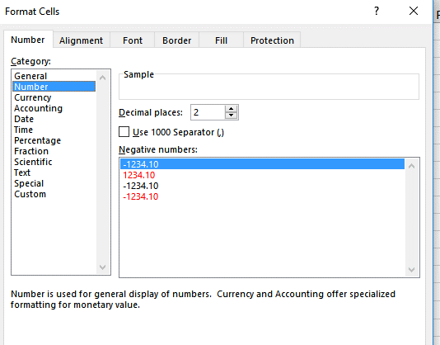
Formatting of Numbers
Within Excel be careful of the formattng of the display of numbers.
This may be set at two decimal points or three etc
The precision that the number is stored is a IEEE floating point so is extremely precise.
Notice the value 10.000005 displayed below
10.00 |  | 10.000 | 10.0000 | 10.000005 | 10.000005
2 decimal points |  | 3 decimal points | 4 decimal points | 5 decimal points | 6 decimal points

To change the displayed accuracy: HOME, NUMBER, INCREASE or DECREASE DECIMALS
Or Right Mouse Click; FORMAT CELLS, NUMBER, CATEGORY NUMBER, DECIMAL PLACES, UP/DOWN

4.Transpose
Transpose Data - instructions in cell A25 |  |  |  |  |  |  |  |  |  |  |  | Transpose, COPY, RIGHT MOUSE CLICK, PASTE with the 4th PASTE OPTION
 | Twin A | 119 | 99 | 108 | 91 | 111 | 105 | 100 | 91 | 104 | 111 | Twin A | Twin B | Different
 | Twin B | 100 | 117 | 97 | 94 | 98 | 103 | 111 | 117 | 112 | 99 | 119 | 100
 |  |  |  |  |  |  |  |  |  |  |  | 99 | 117
 |  |  |  |  |  |  |  |  |  |  |  | 108 | 97
 |  |  |  |  |  |  |  |  |  |  |  | 91 | 94
 |  |  |  |  |  |  |  |  |  |  |  | 111 | 98
 |  |  |  |  |  |  |  |  |  |  |  | 105 | 103
 |  |  |  |  |  |  |  |  |  |  |  | 100 | 111
 |  |  |  |  |  |  |  |  |  |  |  | 91 | 117
 |  |  |  |  |  |  |  |  |  |  |  | 104 | 112
 |  |  |  |  |  |  |  |  |  |  |  | 111 | 99

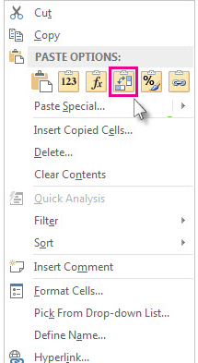
Presented are the IQs for identical twins
1. The data is presented across the page but I would like the data transposed to standard layout
2. Highlight the cell range and CTRL & C (only) the range, click the cell N1
3. Rightmouse click and select PASTE SPECIAL- TRANSPOSE
4. Calculate the standard routine analysis of the Twin A data.
5. Autofill the analysis function for Twin B
6. Is there a correlation between the IQ of the twins?

7.Charts
 |  | To create a basic chart select the data
 |  | Select the variable labels for the axis to be labelled (data range B4:C15).
 |  | Click INSERT/RECOMMENDED CHARTS, ALL CHARTS and select the scatter option
Plot of units
Measure | Protein Concentration (mg/mL)
1 | 1.02
2 | 0.98
3 | 0.99
4 | 1.01
5 | 1.03
6 | 0.97
7 | 1
8 | 0.98
9 | 1.03
10 | 1.01

8.Chart Axis Refinements
 | Protein Concentration (mg/mL)
1 | 1.02
2 | 0.98
3 | 0.99
4 | 1.01
5 | 1.03
6 | 0.97
7 | 1
8 | 0.98
9 | 1.03
10 | 1.01
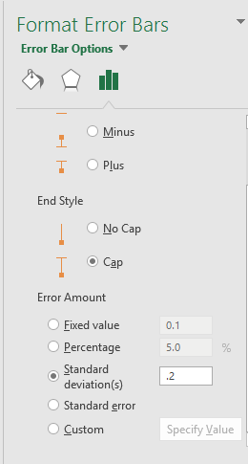
Editing the scales of this graph | Measure | Protein Concentration (mg/mL)
Click on the y axis labels | 1 | 1.02
Right mouse click/FORMAT AXIS | 2 | 0.98
Set minimum to 0.5 | 3 | 0.99
Set maximum to 10 | 4 | 1.01
Click on the x axis labels | 5 | 1.03
Right mouse click/FORMAT AXIS | 6 | 0.97
Set maximum to 1.5 | 7 | 1
 | 8 | 0.98
 | 9 | 1.03
 | 10 | 1.01

8.ErrorBars
 | Protein Concentration (mg/mL)
1 | 1.02
2 | 0.98
3 | 0.99
4 | 1.01
5 | 1.03
6 | 0.97
7 | 1
8 | 0.98
9 | 1.03
10 | 1.01
 | Measure | Protein Concentration (mg/mL)
 | 1 | 1.02
 | 2 | 0.98
 | 3 | 0.99
 | 4 | 1.01
 | 5 | 1.03
 | 6 | 0.97
 | 7 | 1
 | 8 | 0.98
Error Bars | 9 | 1.03
Error bars are important to show the accuracy of the value. | 10 | 1.01
The options are for standard error, percentages, standard deviations … and more options.
For this example let’s assume that there’s an error of +/- .2 standard deviations.
Click +, select ERROR BARS, more options
Select BOTH to select the Minus and Plus options and enter the .2 in the standard deviations entry box.

9.Chart Function
 | Protein Concentration (mg/mL)
1 | 1.02
2 | 0.98
3 | 0.99
4 | 1.01
5 | 1.03
6 | 0.97
7 | 1
8 | 0.98
9 | 1.03
10 | 1.01
Measure | Protein Concentration (mg/mL) | Protein concentration data - chart functions
1 | 1.02 | Create the appropriate line function calculations, these are ordered pairs (you must select in order)
2 | 0.98 | slope of the line | SLOPE(known_y's, known_x's)
3 | 0.99 | =slope(B2:B11, A2:A11) | 0.00072727272727
4 | 1.01 | y axis-intercept | INTERCEPT(known_y's, known_x's)
5 | 1.03 | =intercept(B2:B11, A2:A11) | 0.998
6 | 0.97 | correlation | CORREL(known_x's, known_y's)
7 | 1 | =correl( A2:A11,B2:B11) | 10.24%
8 | 0.98 | R-squared | RSQ(known_x's, known_y's)
9 | 1.03 | =RSQ( A2:A11,B2:B11) | 0.01048951049
10 | 1.01

